Extruder module
No | Component name | Description | QTY | Picture | Resource
1 | Catridge heater | Power rating: 40W Voltage rating: 12V Operating temperature range: -55 to +350 degree Heater element: 6*20mm wires: 60 cm | 1 | 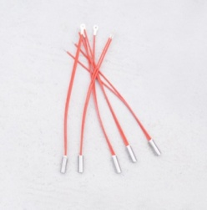 | http://www.robotdigg.com/category/14/Stepextruder
2 | Reprap 100k Ohm NTC thermistor | temperature sensor | 1 | 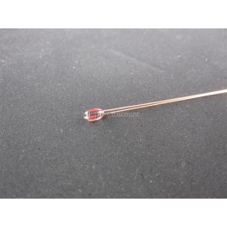 | https://ultimachine.com/content/thermistor-100k
3 | MK7 Aluminum Thermal core | Brushed nickel finish surface | 1 | 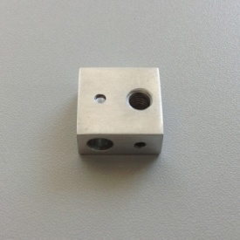 | http://www.robotdigg.com/product/36/MK7-Aluminum-Thermal-Core
4 | MK8 0.4mm Nozzle | Brass, customized, 0.4mm for 1.75 mm filament | 1 |  | http://www.robotdigg.com/product/33/MK8-0.4mm-Nozzle
5 | Thermal tube | PTFE liner thermal barrier tube for 1.75 mm filament | 1 | 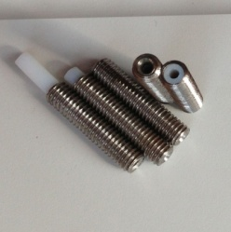 | http://www.robotdigg.com/product/84/Thermal-Tube-with-PTFE-Liner-for-1.75mm-Filament
6 | Single extruder bar mount chassic block | customized bar | 1 | 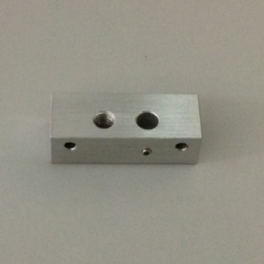 | http://www.robotdigg.com/product/53/Single-Extruder-Bar-Mount-Chassis-Block
7 | MK7 Molded drive block | customized molded drive come with bearing | 1 | 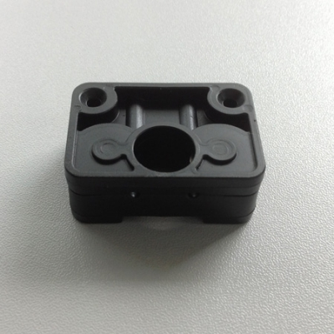 | http://www.robotdigg.com/product/70/MK7-Molded-Drive-Block
8 | Filament Drive gear | drive gear for filament 1.75mm | 1 | 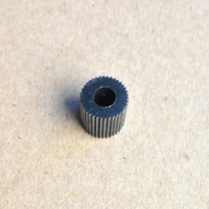 | http://www.robotdigg.com/product/73/RobotDigg-Filament-Drive-Gear
9 | Cooling fan | Rate voltage: 12V size:40x40x10mm Max speed:4000rpm weight:14.1g cable length: 55cm | 1 | 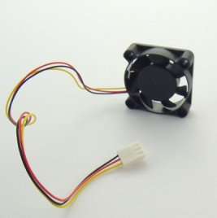 | http://www.robotdigg.com/product/57/12VDC-4CM-Cooling-Fan
11 | Stepper motor, NEMA 17, 40 mm long, 1.2A come with cable and conector, 900mm | 200 steps per revolution 2 phase bipolar 4 wires Rated voltage 2V DC Rated current 1.2A Shaft diameter 5mm Shaft length 22mm motor depth: 40 mm Phase resistance 1.7 Ohm Holding torque 0.4 N.m Min | 1 |  | http://www.robotdigg.com/product/7/NEMA17-Stepper-Motor-40mm-Long,-1.2A
12 | PTFE spacer | ID: 3mm OD: 5mm length:5mm | 4 | 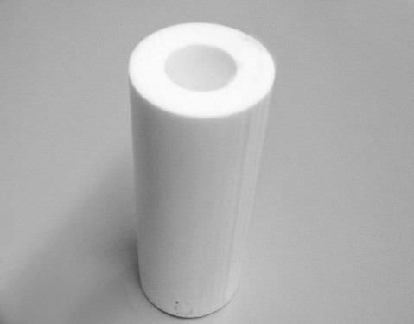 | electronic shop, sim lim
13 | E-motor bracket | customized, steel | 1 |  | Local Manufacturer

Y-axis transmission system
No | Component name | Description | QTY | Picture | Resource
1 | T5 pulley 134 mm | No of Groove: 84 Material: Acetal Belt width: 10 mm Flange configuration: double with Hub Pitch dia: 133.9mm Outside Dia: 132.9mm | 1 | 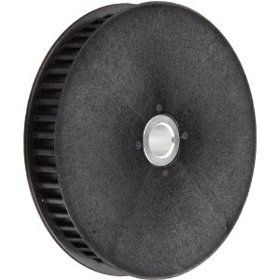 | https://sdp-si.com/eStore/Catalog#
2 | T5 pulley 22 mm | Flange: double with hub belt width: 10mm material: Acetal no of grooves: 14 Pitch diameter: 22.45mm Outside Diameter: 21.45mm | 1 |  | https://sdp-si.com/eStore/Catalog#
3 | T5 belt, 10mm width, 600 length | T5 belt, 10mm width, 590 length TTBU-6000T5-100 | 1 |  | http://sg.misumi-ec.com/asia/ItemDetail/10302194260.html
11 | Stepper motor, NEMA 17, 40 mm long, 1.2A come with cable and conector, 900mm | 200 steps per revolution 2 phase bipolar 4 wires Rated voltage 2V DC Rated current 1.2A Shaft diameter 5mm Shaft length 22mm motor depth: 40 mm Phase resistance 1.7 Ohm Holding torque 0.4 N.m Min | 1 |  | http://www.robotdigg.com/product/7/NEMA17-Stepper-Motor-40mm-Long,-1.2A
10 | Spring | OD: 7.5mm wire dia: 1mm Free length: 20mm | 3 |  | http://www.robotdigg.com/product/71/Compression-Spring-for-Heatbed-and-Extruder
11 | Shaft rotaing plate | Customized, metal | 1 |  | Local manufacturer
13 | Rotating plate | aluminum, customized Dia: 23cm thickness: 3mm |  |  | Local manufacturer
14 | Bearing 6004ZZ | Bearing sheild, 20x42x12 | 2 | 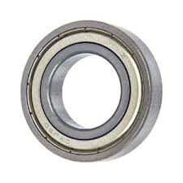 | http://www.amazon.com/VXB-6004ZZ-Bearing-20x42x12-Shielded/dp/B002BBGDPM
15 | acrylic cut shaft bearing | acrylic cut shaft bearing | 3 |  | in house cut
16 | base support plate | Customized, metal | 1 |  | cititech
 | Y-motor bracket | metal customized | 1 |  | cititech

Total

z-axis
No | Component name | Description | QTY | Picture | Resource
 | Linear guide MGN12H 350 | length 350mm | 1 | 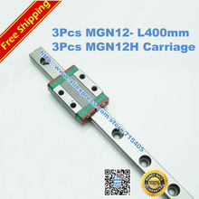 | http://www.alibaba.com/product-detail/Low-price-Chinese-HIWIN-linear-guide_1722596890.html?s=p
11 | Thread rod nema 17-280mm | Order No. 17HS3001-280N | 1 | 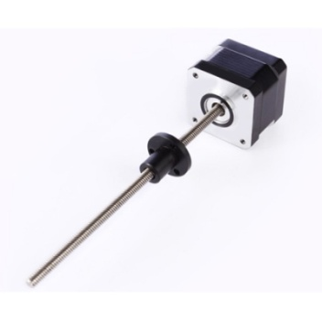 | http://www.robotdigg.com/product/8/Threaded-Rod-NEMA17,-280mm-Tr8*8mm-Acme-Leadscrew

X-axis
No | Component name | Description | QTY | Picture | Resource | Price
1 | Linear guide MGN12H 220 | length 220mm | 1 |  | http://www.alibaba.com/product-detail/Low-price-Chinese-HIWIN-linear-guide_1722596890.html?s=p | 35
2 | X-motor carriage | metal , customized | 1 |  | Local manufacurer | 20
 | Gt2 pulley | 20 teeth, 5mm bore | 1 | 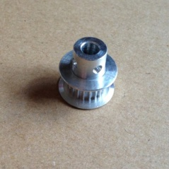 | http://www.robotdigg.com/product/9/GT2-Pulley-20-Teeth-5mm-Bore | 2
 | GT2 belt | Open end 6mm width | 1 | 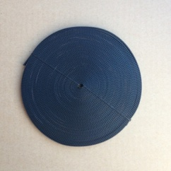 | http://www.robotdigg.com/product/10/Open-Ended-6mm-Width-GT2-Belt | 2
 | Bearing 624zz | Size: 4x13x5mm | 2 | 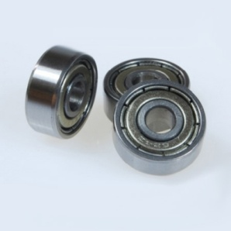 | http://www.robotdigg.com/product/11/624ZZ-Ball-Bearing | 0.7
 | Mechanical end stop | Mechanical end stop | 2 | 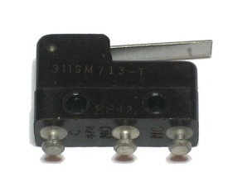 | http://makemendel.com/mechanical-parts/electronics-parts/mechanical-switch | 1
11 | Stepper motor, NEMA 17, 40 mm long, 1.2A come with cable and conector, 900mm | 200 steps per revolution 2 phase bipolar 4 wires Rated voltage 2V DC Rated current 1.2A Shaft diameter 5mm Shaft length 22mm motor depth: 40 mm Phase resistance 1.7 Ohm Holding torque 0.4 N.m Min | 1 |  | http://www.robotdigg.com/product/7/NEMA17-Stepper-Motor-40mm-Long,-1.2A | 6.8
3 | Modified Gen 6 electronic board with atmel 1284p | Modified Gen 6 electronic board with atmel 1284p | 1 |  | PCB fabrication | 80

Total |  |  |  |  |  | 147.5

